1. Title Page
Instacart Grocery Basket Analysis

Project Name: Instacart Grocery Basket Analysis
Date: 4/1/2021
Analyst Name: Mark Daniels

Contents:
Population Flow
Consistency checks
Wrangling steps
Column derivations
Visualizations
Recommendations

Data Citation:
"The Instacart Online Grocery Shopping Dataset 2017",
Accessed from https://www.instacart.com/datasets/grocery-shopping-2017 on 4/1/2021.

2. Population Flow
Title page

Population flow

Exclusion flag
Condition: max_order < 5
Obervations to be removed: 1,025,482
Final total count of order_products_all: 29,303,281

Orders_products_combined
Orders_products_merged
Orders_products_all

Total: 30,328,763
Total: 30,356,421
Total: 30,328,763

1.) The grey boxes in the first row of the population flow represent the original data sets as they were when you downloaded them. In the Total fields you need to add the count of the rows when you imported the data set into Jupyter.
2.) The second row of boxes (coloured) represents the data sets after you manipulated them, e.g., removed missing values and duplicates. In the Total fields you need to add the count of the rows after conducting these operations. This offers a visual oveview of how the data flows throughout the data consistency checks.
3.) The third row, where also the arrows are coloured, represents the merges you performed between the datasets. In the Total fields you need to add the count of the rows in the merged datasets, so that you end up with the final dataset (in the red box). Keep in mind the final dataset should be without exclusions (based on the exclusion flag).

3. Consistency checks
 |  |  |  | Title page
Consistency checks

Dataset | Missing values | Missing values treatment | Duplicates
orders | 206209 | left out of main dataframe | none
products | 16 | left out of main dataframe | 5
orders_products_prior | n/a | n/a | n/a
customers | 11259 | kept in main dataframe | 0

4. Wrangling steps
 |  |  |  | Title page
Wrangling steps

Columns dropped | Columns renamed | Columns' type changed | Comment/Reason
eval_set |  |  | Had one value "prior", which serves no purpose for the analysis
 |  | user_id | The column is not used in any calculations
 | order_dow |  | The "dow" part is unintuitive and an cause confusion. Changed to "orders_day_of_week".
 | First Name --> first_name |  | To maintain a consistant naming convention in all data sets
 | Surnam --> last_name |  | Looks like a misspelling. To maintain a consistant naming convention in all data sets
 | Gender --> gender |  | To maintain a consistant naming convention in all data sets
 | STATE --> state |  | To maintain a consistant naming convention in all data sets
 | Age --> age |  | To maintain a consistant naming convention in all data sets
 | n_dependants --> number_of_dependants |  | Unintuitive name and to be consistant with the column names of the other data sets
 | fam_status --> family_status |  | To maintain a consistant naming convention in all data sets
Unnamed: 0_x |  |  | Unnecessary index from a previous merge
Unnamed: 0_y |  |  | Unnecessary index from a previous merge
 | price_range_loc --> price_range |  | The "_loc" was not needed
_merge |  |  | Not needed for analysis
first_name |  |  | Personally Identifiable Information (PII) data
last_name |  |  | Personally Identifiable Information (PII) data
exclude_flag |  |  | Not needed for analysis
final_merge |  |  | Not needed for analysis

5. Column derivations
 |  |  |  |  |  | Title page

Column derivations and aggregations

In this tab you should add tables below that the frequences of flags/label variables that you produced after deriving them. NB: don't do this for continuous variables, only for flags.
Dataset | New column | Column/s it was derived from | Conditions
orders_products_merged | price_range_loc --> price_range | prices | > 15 --> 'High-range product' <= 15 & > 5 --> 'Mid-range product' <= 5 --> 'Low-range product'
orders_products_merged | 'busiest day' | orders_day_of_week | < 2 --> 'Busiest days' 3 or 4 --> 'Least busy' all others --> 'Regularly busy'
orders_products_merged | busiest_period_of_day | order_hour_of_day | 10 --> 'Most orders' 3 --> 'Fewest orders' all others --> 'Average orders'
orders_products_merged | loyalty_flag | max_order | > 40 --> 'Loyal customer' < 40 & > 10 --> 'Regular customer' <=10 --> 'New customer'
orders_products_merged | spend_flag | mean_prices | >= 10 --> 'High spender' < 10 --> 'Low customer'
orders_products_merged | frequency_flag | days_since_prior_order | > 20 --> 'Non-frequent customer' <= 10 --> 'Frequent customer' > 10 <= 20 --> 'Regular customer'
orders_products_merged | frequency_flag | days_since_prior_order | > 20 --> 'Non-frequent customer' <= 10 --> 'Frequent customer' > 10 <= 20 --> 'Regular customer'
customers_clean | region | state | Refer to Regions / States table --> | Regions | States
df_merged_all | exclude_flag | max_order | < 5 --> 'exclude' | northeast | Maine, New Hampshire, Vermont, Massachusetts, Rhode Island, Connecticut, New York, Pennsylvania, New Jersey
df_customer_profile | customer_profile | age income department_id number_of_dependants family_status | 'single adult' | midwest | Wisconsin, Michigan, Illinois, Indiana, Ohio, North Dakota, South Dakota, Nebraska, Kansas, Minnesota, Iowa, Missouri
 |  |  | age > 17 and | south | Delaware, Maryland, District of Columbia, Virginia, West Virginia, North Carolina, South Carolina, Georgia, Florida, Kentucky, Tennessee, Mississippi, Alabama, Oklahoma, Texas, Arkansas, Louisiana
 |  |  | age < 60 and | west | Idaho, Montana, Wyoming, Nevada, Utah, Colorado, Arizona, New Mexico, Alaska, Washington, Oregon, California, Hawaii
 |  |  | income > 36000 and
 |  |  | department_ids 7, 10, 21 and
 |  |  | number_of_dependants > 0 and
 |  |  | family_status not married
df_customer_profile |  | age income department_id number_of_dependants family_status | 'married adult' age > 17 and age < 60 and income >= 36000 and department_ids 7, 10, 21 and number_of_dependants >= 0 and family_status married

df_customer_profile |  | age income department_id number_of_dependants family_status | 'senior' age >= 60 and income >= 36000 and department_ids 7, 10, 21 and number_of_dependants >= 0 and family_status (married or not married)

6. Visualizations
 |  |  |  |  |  |  |  |  |  |  |  |  | Title page

Visualisations

In this tab you should include all the visualtions from Exercises 4.9 and 4.10, alongside the questions from the project brief that they answer. Include any commentary on the relationship between different variables.

The sales team needs to know what the busiest days of the week and hours of the day are (i.e., the days and times with the most orders) in order to schedule ads at times when there are fewer orders.
 | A bar chart showing the busiest days of the week. Friday, Saturday, and Sunday have the highest number of orders. |  |  |  |  |  |  |  | Histogram showing the distribution of the order hours of the day. Orders grow steadily from around 6 am, peaks around 10 am, maintains a steady high pace until around 3:30 pm, declines steadily into the evening and fizzles after 8 pm.

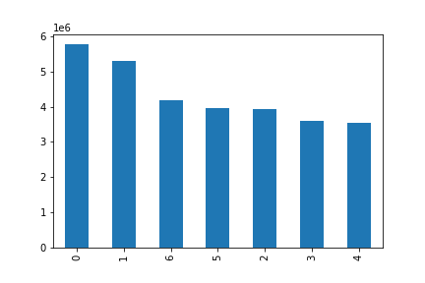


 | Sat | Sun | Fri | Thu | Mon | Tue | Wed

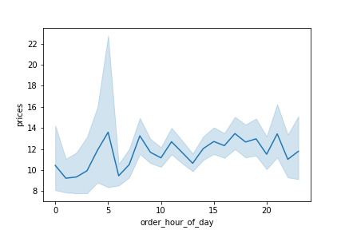
Are there particular times of the day when people spend the most money? This might inform the type of products to advertise at these times. Instacart has a lot of products with different price tags. Marketing and sales want to use simpler price range groupings to help direct their efforts.

 |  |  |  |  |  |  |  | A line chart showing the times of the day when people buy the more expensive products. The purchasing of more expensive products peaks at different points, particularly around 5, 7.30, and 11 am in the morning then again around 3 and 4.30 pm during the afternoon, and around 7 in the evening, and finally around 9 pm.

The marketing and sales teams are particularly interested in the different types of customers in their system and how their ordering behaviors differ. For example: What's the distribution among users in regards to their brand loyalty (i.e., how often do they return to Instacart)? Are there differences in ordering habits based on a customer’s loyalty status?

 |  |  |  |  |  |  |  | Histogram: customer brand loyalty distribution - how often customers return to Instacart. About 33% of Instacart customers return to Instacart again and again, making them the loyal and reliable customers. Regular customers constitute around 50% of all customers. New customers constitute around 17% of all customers.
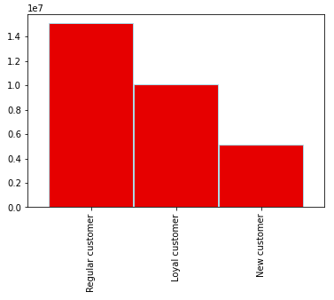

Is there a connection between age and family status in terms of ordering habits? What different classifications does the demographic information suggest? Age? Income? Certain types of goods? Family status?
 | From the line chart below we can see that, on average, the customer's age does not seem to impact the number of children they have. However, it should be noted that the number of customers with no children may be impacting the averages we see. From our previous obeservation of the statistics, the minimum is 0 and maximum is 3. In order to have a better understanding here, we need to break the age variable down into age groups and see if the results are similar or not. |  |  |  |  |  |  |  | From the scatter plot below we can see that as a customer's age increases, so does the income. The age range below 40 seem to have fewer with income above 200000. There appears to be more high earners (income > 300000) older than 40 but the majority are clustered blow 300000. Whether the customer is 40, 60, or 80, there seems to be a limit of 600000.

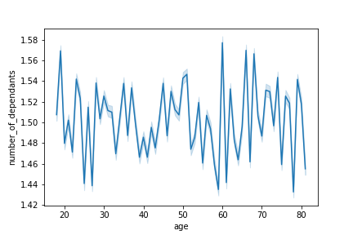
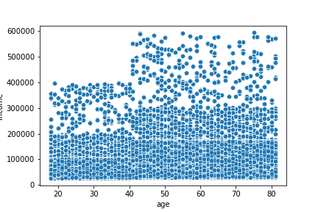

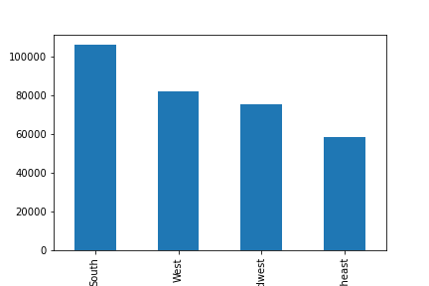
Are there differences in ordering habits based on a customer’s region?
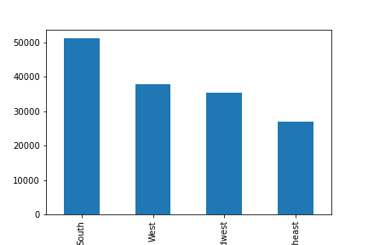

 | A bar chart showing the comparisons between regions for the married adult profile. |  |  |  |  |  |  |  | A bar chart showing the comparisons between regions for the single adult profile. |  |  |  |  |  |  | A bar chart showing the comparisons between regions for the senior profile.

 | The first thing we notice when comparing the three charts above is that the pattern in all profiles are the same. The South leads, followed by the West, and then the Midwest, and finally the Northeast regions. The next thing we notice is that the maximums differ, and here we see that Instacart has twice as many "married adult" profiles as "single adult" profiles (100,000 vs 50,000), with the "senior" profile (80,000) not many fewer than the "married adult" profile. NOTE: these profiles are focused on deparments 7 (beverages), 10 (bulk), and 21 (missing).

What differences can you find in ordering habits of different customer profiles? Consider the price of orders, the frequency of orders, the products customers are ordering, and anything else you can think of.

 | A bar chart showing the comparisons between departments for the married adult profile. |  |  |  |  |  |  |  | A bar chart showing the comparisons between departments for the single adult profile. |  |  |  |  |  |  | A bar chart showing the comparisons between departments for the senior profile.
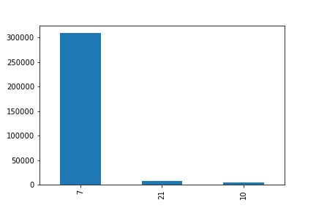

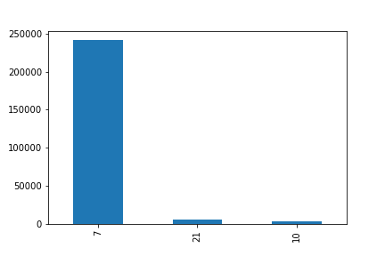

 | The first thing we notice when comparing the three charts above is that the pattern in all profiles are again, virtually the same. The "beverages" department leads, followed by the "missing" department, and finally by the "bulk" department. The next thing we notice is that the maximums differ, and here we see that Instacart has more than twice as many "married adult" profiles purchasing from the "beverages" department, as "single adult" profiles (300,000 vs 140,000), with the "senior" profile (250,000) not very many fewer than the "married adult" profile. The "bulk" and "missing" department appear to be very similar in all three profiles,except there seems to be a slightly larger number of the "single adult" profile purchasing from the "missing" department.

 | A bar chart showing the busiest hours of the day for the married adult profile. |  |  |  |  |  |  |  | A bar chart showing the busiest hours of the day for the single adult profile. |  |  |  |  |  |  | A bar chart showing the busiest hours of the day for the senior profile.
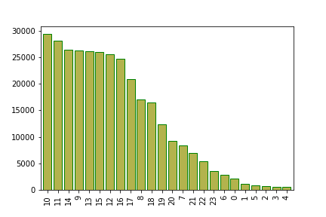
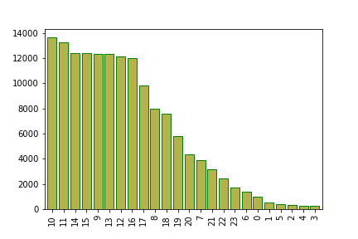
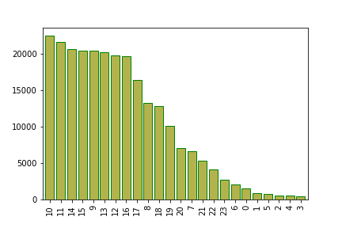

 | Here we see the "single adult" and "senior" profiles with identical pattern in terms of the busiest shopping hours, but the maximums and minimums do differ, closer to each other than to the "married adult" profile. Once again the main difference is in the higher frequency of orders that the "married adult" profile provides.

 | A bar chart showing the busiest days of the week for the married adult profile. |  |  |  |  |  |  |  | A bar chart showing the busiest days of the week for the single adult profile. |  |  |  |  |  |  | A bar chart showing the busiest days of the week for the senior profile.
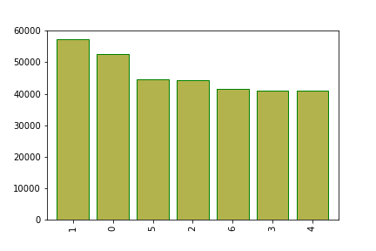
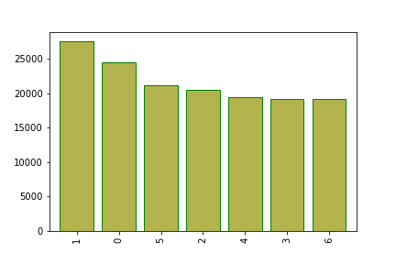


 | Sun | Sat | Thu | Mon | Fri | Tue | Wed |  | Sun | Sat | Thu | Mon | Wed | Tue | Fri | Sun | Sat | Thu | Mon | Tue | Fri | Wed
 | Again, the patterns are similar, with Tuesdays, Wednesdays, and Fridays differing minutely, so negligible. Saturdays and Sundays are the most popular days for Instacart.

 | Histogram showing the distribution of the order hours of the day for the married adult profile. |  |  |  |  |  |  |  | Histogram showing the distribution of the order hours of the day for the single adult profile. |  |  |  |  |  |  | Histogram showing the distribution of the order hours of the day for the senior profile.
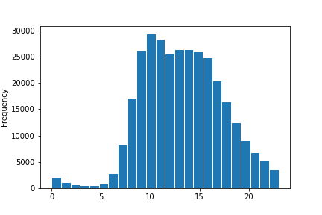
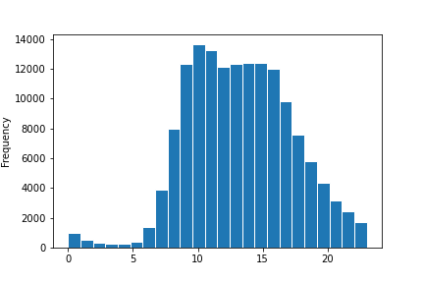
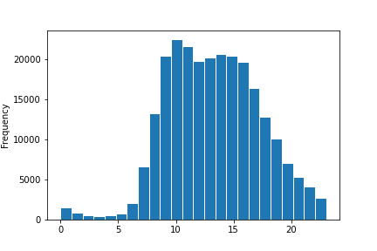

 | Again, the patterns are similar and differences negligible except for the overall differences in frequency. Orders grow steadily from around 6 am, peaks around 10 am, maintains a steady high pace until around 3:30 pm, declines steadily into the evening and fizzles after 8 pm.

 | A histogram showing the busiest days of the week for the married adult profile. |  |  |  |  |  |  |  | A histogram showing the busiest days of the week for the single adult profile. |  |  |  |  |  |  | A histogram showing the busiest days of the week for the senior profile.
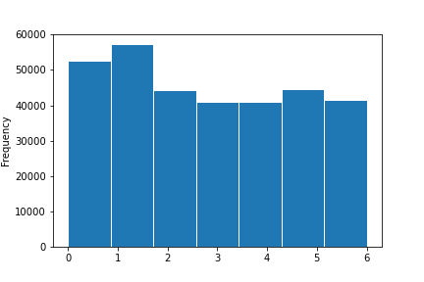
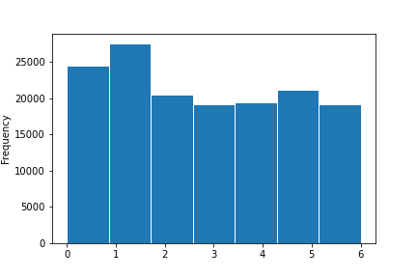


 | Sat | Sun | Mon | Tue | Wed | Thu | Fri |  | Sat | Sun | Mon | Tue | Wed | Thu | Fri | Sat | Sun | Mon | Tue | Wed | Thu | Fri

7. Recommendations
 |  | Title page

Recommendations

In this tab you should include any recommendations you would made to Instcart in terms of their marketing strategy based on the questions posed in the brief. Every key question has been covered in the Tasks of the Exercises - here you need to add an item - a visualisation or table/crosstable that is showing the answer in the data, acompanied by a comment from you. Please, list the questions below and add the answer underneath.

Question | Answer
The sales team needs to know what the busiest days of the week and hours of the day are (i.e., the days and times with the most orders) in order to schedule ads at times when there are fewer orders. | Since the busiest days of the week are Friday, Saturday, and Sunday, the days that would need additional advertising are Monday to Thursday.
Are there particular times of the day when people spend the most money? This might inform the type of products to advertise at these times. | The purchasing of more expensive products peaks at: 5 am, 7.30 am, 11 am 3 pm, 4.30 pm, 7 pm, 9 pm
Instacart has a lot of products with different price tags. Marketing and sales want to use simpler price range groupings to help direct their efforts.
The marketing and sales teams are particularly interested in the different types of customers in their system and how their ordering behaviors differ. For example: What's the distribution among users in regards to their brand loyalty (i.e., how often do they return to Instacart)? Are there differences in ordering habits based on a customer’s loyalty status? | About 33% of Instacart customers return to Instacart again and again, making them the loyal and reliable customers. Regular customers constitute around 50% of all customers. New customers constitute around 17% of all customers.
Is there a connection between age and family status in terms of ordering habits? What different classifications does the demographic information suggest? Age? Income? Certain types of goods? Family status? | The customer's age does not seem to impact the number of children they have. However, it should be noted that the number of customers with no children may be impacting the averages we see. In order to have a better understanding here, we need to break the age variable down into age groups and see if the results are similar or not. As a customer's age increases, so does the income. There appears to be many high earners (income > 300000) older than 40 but the majority are clustered blow 300000. We need to crunch some more numbers to get to more details on this.
Are there differences in ordering habits based on a customer’s region? | The first thing we notice when comparing the three profiles is that the pattern in all profiles are the same. The South leads, followed by the West, and then the Midwest, and finally the Northeast regions. The next thing we notice is that the maximums differ, and here we see that Instacart has twice as many "married adult" profiles as "single adult" profiles (100,000 vs 50,000), with the "senior" profile (80,000) not many fewer than the "married adult" profile. NOTE: these profiles are focused on deparments 7 (beverages), 10 (bulk), and 21 (missing).
What differences can you find in ordering habits of different customer profiles? Consider the price of orders, the frequency of orders, the products customers are ordering, and anything else you can think of. | The first thing we notice when comparing the three charts above is that the pattern in all profiles are again, virtually the same. The "beverages" department leads, followed by the "missing" department, and finally by the "bulk" department. The next thing we notice is that the maximums differ, and here we see that Instacart has more than twice as many "married adult" profiles purchasing from the "beverages" department, as "single adult" profiles (300,000 vs 140,000), with the "senior" profile (250,000) not very many fewer than the "married adult" profile. The "bulk" and "missing" department appear to be very similar in all three profiles,except there seems to be a slightly larger number of the "single adult" profile purchasing from the "missing" department.

